BoM
Item | Description | Quantity | Comments | Source | https://dberard.com/home-built-stm/electronics/
Preamplifier
Power | 9VP
Capacitor | 4.7uF | 1
 | 0.1uF | 1 |  | Bill
Resistor | 100M | 1 |  | Recomended | https://www.digikey.com/short/2w1n4391 |  | $170
 | 220R | 1 |  | Minimal | https://www.digikey.com/short/p2t53f45 |  | $60
Op-Amp | OPA124U/ADA6247 | 1 |  | Mechanical | https://www.mcmaster.com/98625A960/ | https://www.mcmaster.com/catalog/98625A960 | ~$60
Teflon Standoff | 36-11301-ND | 1
 |  |  |  | Overview
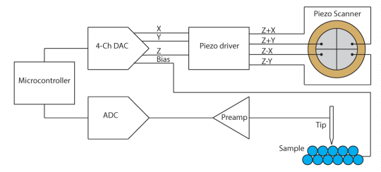
ADC
Power | 15VP
Op-Amp | OPA2227 | 2
 | LT1469 | 1
Analog Switch | ADG419 | 2 | Optional
Capacitor | 3.3nF | 4
 | 47nF | 1
 | 100nF | 14
 | 10uF | 5
Resistor | 470R | 4
 | 10K | 1
 | 100R | 1

DAC
Power | 5VP, 15VP
Op-Amp | OPA2227 | 1
 | OPA4227 | 2
Reference | REF102 | 1
DAC | DAC8814 | 1
Analog Switch | ADG419 | 1
Resistor | 30k | 1
 | 10K | 1
 | 3K | 8
 | 1.5K | 4
 | 1K | 1
Capacitor | 3.3nF | 4
 | 4.7nF | 4
 | 2.2uF | 1
 | 10uF | 6
 | 100nF | 11
 | 100uF | 1

Piezo Driver
Power | 15VP
Capacitor | 4.7nF | 6
 | 100nF | 4
Resistor | 3K | 14
 | 220R | 4
Op-Amp | OPA2227 | 2

Controller | Teensy 3.1 | 1 | Or Bluepill

PCB | Scanning Head, Main

Mechanical
Stepper |  | 28byj-48
Insert | 0.438" Long Brass Insert for 1/4"-80 | 98625A960 | https://www.mcmaster.com/catalog/98625A960
Ball-Point screw | 1/4"-80 Thread, 1" Long | 98625A710 | https://www.mcmaster.com/98625A960/

